switch
reset button, all result reset

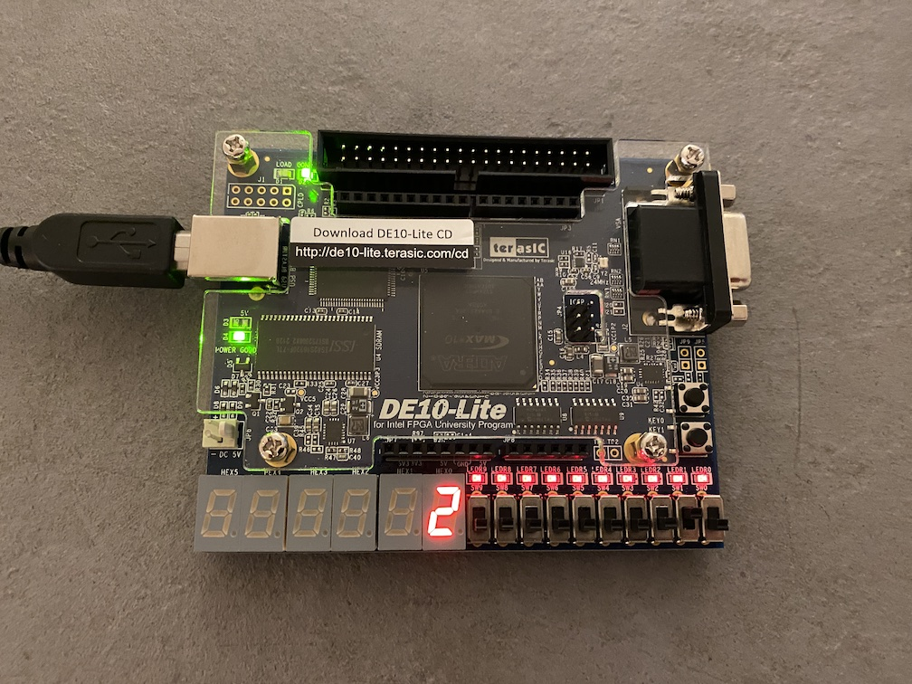
equal
during this slide switch was on, press the button 1 will generate result

enter button

display

State indicator

arithmetic process
slide switch [1][0]
00 - add
01 - minus
10 - multiple
11 - divide

Input decimal selection
start from left:
hundred thousand
ten thousand
thousand
hundred
ten
one

Block diagram
wire_sign_from_calculate

wire_res

input_value_setup
slide switch[9]
State controller
Calculate process
S1

slide switch[8]

slide switch[7]
digit_separator
7 segment
digit
7 segment
digit
digit_pos
ten_pos
hundred_pos
thousand_pos
ten_thousand_pos
hundred_thousand_pos
S2

slide switch[6]
wire_sign_from_state_controller
slide switch[5]
wire_S0

slide switch[4]
slide switch[1:0]
wire_err

slide switch[2]

Display Src selector
4in
1out

0xE3

push_button_pulse_gen
（enter_pushBtn_pulse）

Push
button[1]
wire_res

500MHz Clock

displ_sel[1:0]

push_button_pulse_gen
（reset_pushBtn_pulse）

Push
button[0]

displ_sel[1]
enable
slide_switch_pulse_gen（enable_pulse_gen）

displ_sel[0]
enable_pulse

